Sheet1
Nr. | Tip | Duritate | Textură | Densitate | Grosime | Incluziuni |  |  |  |  | Culoare |  |  |  |  |  | Foto | Date context | Observații
 |  |  |  |  |  | Frecvență | Mărime | Sortare | Formă | Tip | 3 | 2 | 1 | 2a | 3a | col
1 | F |  |  |  |  |  |  |  |  |  | 2.5YR 5/6 | 2.5YR 5/6 | 2.5YR 5/6 | 2.5YR 5/6 | 2.5YR 5/6 | red
2 | I |  |  |  |  |  |  |  |  |  | 2.5YR 5/6 | 2.5YR 5/6 | 2.5YR 5/6 | 2.5YR 5/6 | 2.5YR 5/6 | red
3 | I |  |  |  |  |  |  |  |  |  | 2.5YR 6/4 | 2.5YR 6/4 | 2.5YR 6/4 | 2.5YR 6/4 | 2.5YR 6/4 | light reddish brown
4 | F |  |  |  |  |  |  |  |  |  | 5YR 5/6 | 5YR 5/6 | 5YR 4/1 | 5YR 5/6 | 5YR 5/6 | yellowish red/ dark grey / yellowish red
5 | F |  |  |  |  |  |  |  |  |  | 5YR 5/8 | 5YR 5/8 | 2.5YR 5/8 | 5YR 5/8 | 5YR 5/8 | yellowish red/ red/ yellowish red | 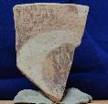
6 | G |  |  |  |  |  |  |  |  |  |  |  |  |  |  |  | 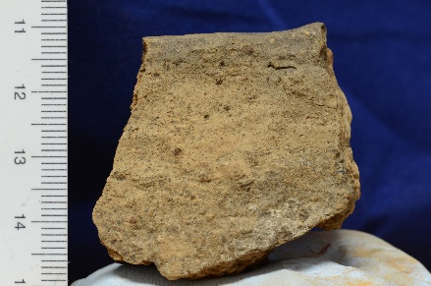
7 | F |  |  |  |  |  |  |  |  |  | 2.5YR 6/8 | 2.5YR 6/8 | 2.5YR 6/8 | 2.5YR 6/8 | 2.5YR 6/8 | light red | 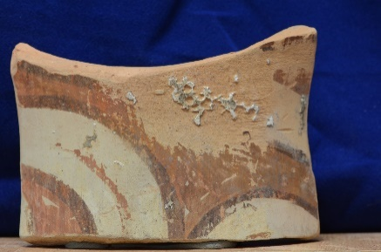
8 | F |  |  |  |  |  |  |  |  |  | 2.5YR 5/6 | 2.5YR 5/6 | 2.5YR 5/6 | 2.5YR 5/6 | 2.5YR 5/6 | red | 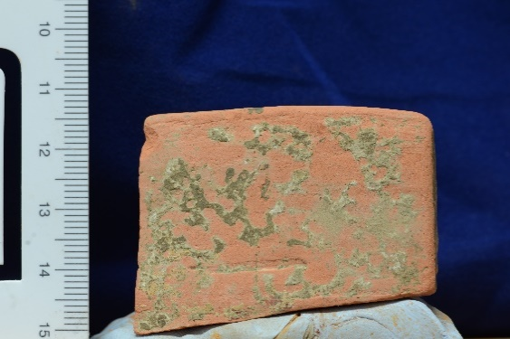
9 | I |  |  |  |  |  |  |  |  |  | 2.5YR 6/8 | 2.5YR 6/8 | 2.5YR 6/8 | 2.5YR 6/8 | 2.5YR 6/8 | light red | 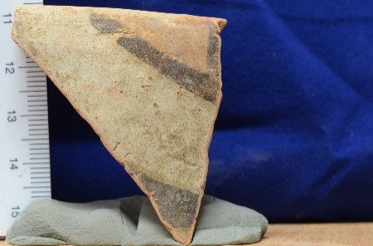
10 | F |  |  |  |  |  |  |  |  |  | 2.5YR 6/8 | 2.5YR 6/8 | 2.5YR 6/8 | 2.5YR 6/8 | 2.5YR 6/8 | light red | 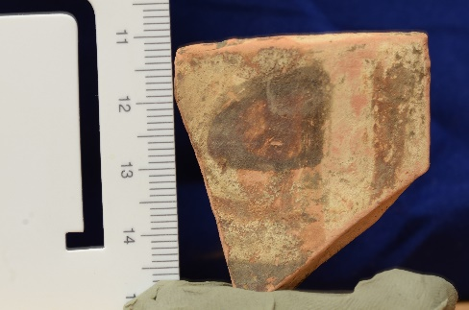 | Războieni - Dealul Boghiu, S II/ carou 10-11 / -0,30 -0,40 m / Cx 3 | 1 proba extrasă
11 | F |  |  |  |  |  |  |  |  |  | 2.5YR 6/8 | 2.5YR 6/8 | 2.5YR 6/8 | 2.5YR 6/8 | 2.5YR 6/8 | light red
12 | F |  |  |  |  |  |  |  |  |  | 2.5YR 6/6 | 2.5YR 6/6 | 2.5YR 6/6 | 2.5YR 6/6 | 2.5YR 6/6 | light red | 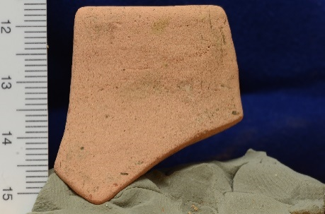
13 | I |  |  |  |  |  |  |  |  |  | 2.5YR 5/6 | 2.5YR 5/4 | 2.5YR 5/4 | 2.5YR 5/4 | 2.5YR 5/6 | red / reddish brown / red
14 | F |  |  |  |  |  |  |  |  |  | 2.5YR 6/6 | 2.5YR 5/6 | 2.5YR 5/6 | 2.5YR 5/6 | 2.5YR 5/6 | light red/red | 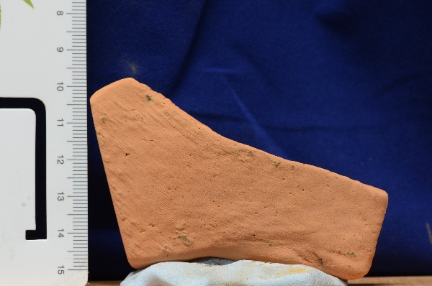
15 | F |  |  |  |  |  |  |  |  |  | 5YR 5/8 | 5YR 5/8 | 5YR 6/8 | 5YR 6/8 | 5YR 6/8 | red/light red
16 | I |  |  |  |  |  |  |  |  |  | 2.5YR 5/6 | 2.5YR 5/6 | 2.5YR 5/6 | 2.5YR 5/6 | 2.5YR 5/6 | red
17 | F |  |  |  |  |  |  |  |  |  |  |  |  |  |  |  | 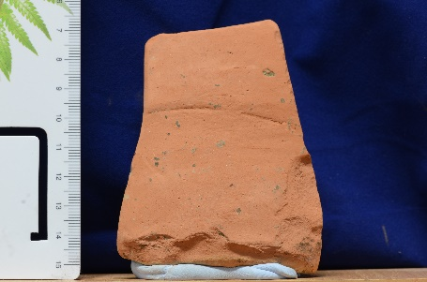
18 | G |  |  |  |  |  |  |  |  |  | 7.5YR 6/4 | 7.5YR 5/4 | 7.5YR 5/4 | 7.5YR 5/4 | 7.5YR 5/4 | light brown/brown
19 | G |  |  |  |  |  |  |  |  |  | 7.5YR 6/4 | 7.5YR 6/4 | 7.5YR 6/4 | 7.5YR 6/4 | 7.5YR 6/4 | light brown | 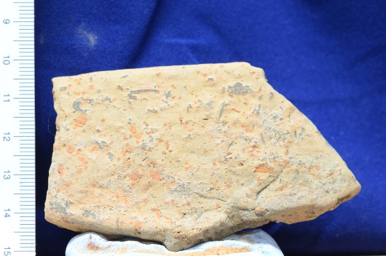
20 |  |  |  |  |  |  |  |  |  |  |  |  |  |  |  |  | 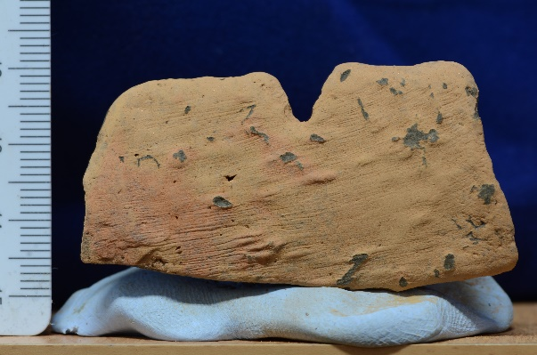
21 | F
22 | G |  |  |  |  |  |  |  |  |  | 2.5YR 6/8 | 2.5YR 6/8 | 2.5YR 6/8 | 2.5YR 6/8 | 2.5YR 6/8 | light red | 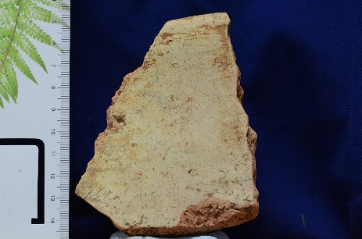
23 | G |  |  |  |  |  |  |  |  |  | 5YR 5/8 | 5YR 5/8 | 5YR 5/8 | 5YR 5/8 | 5YR 5/8 | yellowish red | 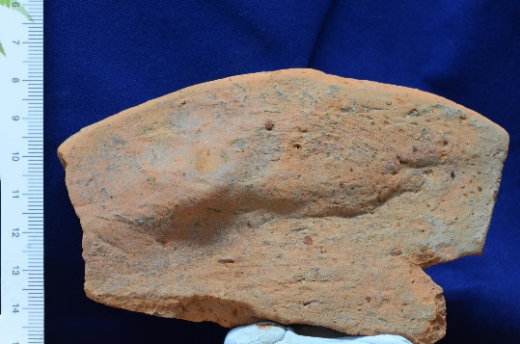
24 | F |  |  |  |  |  |  |  |  |  | 2.5YR 5/8 | 2.5YR 5/8 | 2.5YR 5/8 | 2.5YR 5/8 | 2.5YR 5/8 | red | 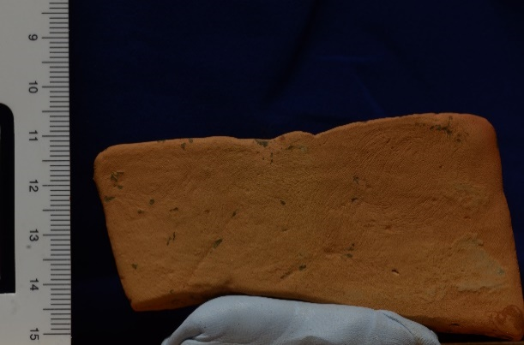
25 | F |  |  |  |  |  |  |  |  |  |  |  |  |  |  |  | 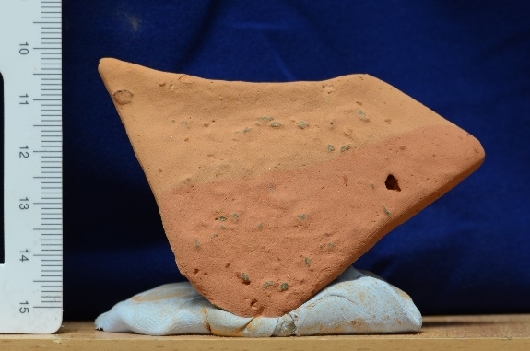
26 | G |  |  |  |  |  |  |  |  |  | 2.5YR 5/6 | 2.5YR 5/6 | 2.5YR 5/6 | 2.5YR 5/6 | 2.5YR 5/6 | red
27 | G |  |  |  |  |  |  |  |  |  | 2.5YR 6/6 | 2.5YR 6/6 | 2.5YR 6/6 | 2.5YR 6/6 | 2.5YR 6/6 | light red | 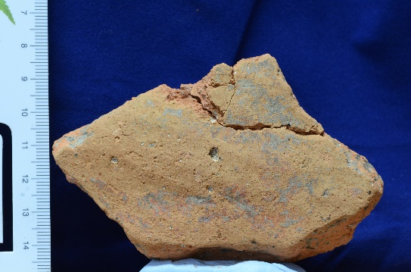
28 | I |  |  |  |  |  |  |  |  |  | 5YR 6/4 | 5YR 6/4 | 5YR 6/4 | 5YR 6/4 | 5YR 6/4 | light reddish brown | 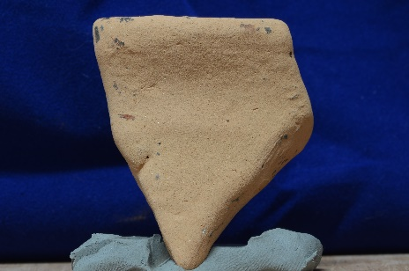
29 | I |  |  |  |  |  |  |  |  |  | 2.5YR 6/6 | 2.5YR 6/6 | 2.5YR 6/6 | 2.5YR 6/6 | 2.5YR 6/6 | light red | 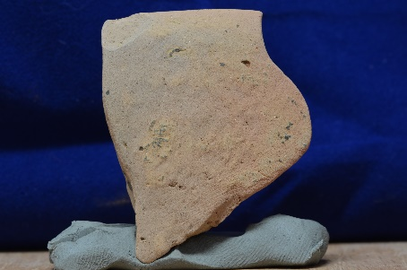
30 | F |  |  |  |  |  |  |  |  |  | 2.5YR 7/8 | 2.5YR 5/8 | 2.5YR 5/8 | 2.5YR 5/8 | 2.5YR 5/8 | light red/red
31 | F |  |  |  |  |  |  |  |  |  | 2.5YR 5/8 | 2.5YR 5/8 | 2.5YR 5/8 | 2.5YR 5/8 | 2.5YR 5/8 | red
32 | G |  |  |  |  |  |  |  |  |  | 7.5R 5/8 | 2.5YR 3/1 | 2.5YR 3/1 | 2.5YR 3/1 | 2.5YR 3/1 | red / very dark grey | 